Module 18
Main
 | Module 18 - Employee Benefits

 | DC and DB pension schemes

 | Short term EE benefit - settled entirely within 12m of the end of the annual reporting period in which the EE renders service

 | wages, salary, NIC, paid leave, Profit sharig and bonues, non-monetary benefits

 | Post employment benefits
 | pension are most common form of post employment benefit

 | salary - paid to EE
 | PAYE and NIC - paid to HMRC
 | EE contrib and ER pension cost goes straight to pension plan

 | depends what type of pension plan is operated by the company
 | defined contribution
 | defined benefit

 | staff cost can be capitalised into an asset - development of IA for example
 | in this case, then pension contribution is capitalised also

 | DB
 | actuary advises on contribution amounts
 | if there are insufficient funds, contributions will be increased. If there is a surplus of funds, they will be decreased

 | the obligatoin to ensure the plan has sufficient funds (and the risk that it does not) lie with the employer

 | Overveiw fo accounting treatment

 | DB pension recognised as net asset or net liability
 | not appropriate to recognise contributions as an expense as they may vary significantly from year to year

 | surplus or deficit is computed by the FV of pension assets less PV of future pension obligations

 | assets large than PV of future obligations then there is a pension surplus, if obligation larger than assets, pension deficit

 | actuary produces estimate at each reporting date

 | the pension assets are measured at FV -market price or best estimate
 | the pension obligation is computed by an actuary.

 | pension liablity will be given in questions. Do not have to do actuarial computations

 | Step 1: actuary advises net pension or surplus
 | Step 2: Accountatn recognises the change in surplus or deficit

 |  | Asset | obligation | net deficit | Asset - liab
 | Opening balance | 26,517 | 28,129 | -1,612
 | Contributions | 100 | 0 | 100
 | Benefit payments | -126 | -126 | 0
 | current service cost | 0 | 109 | -109
 | past service cost | 0 | 34 | -34
 | settlement | -540 | -670 | 130
 | Finance income/cost | 1,060 | 1,120 | -60
 |  | 27,011 | 28,596 | -1,585
 | remeasurement | -43 | -74 | 31
 | Closing balance | 26,968 | 28,522 | -1,554

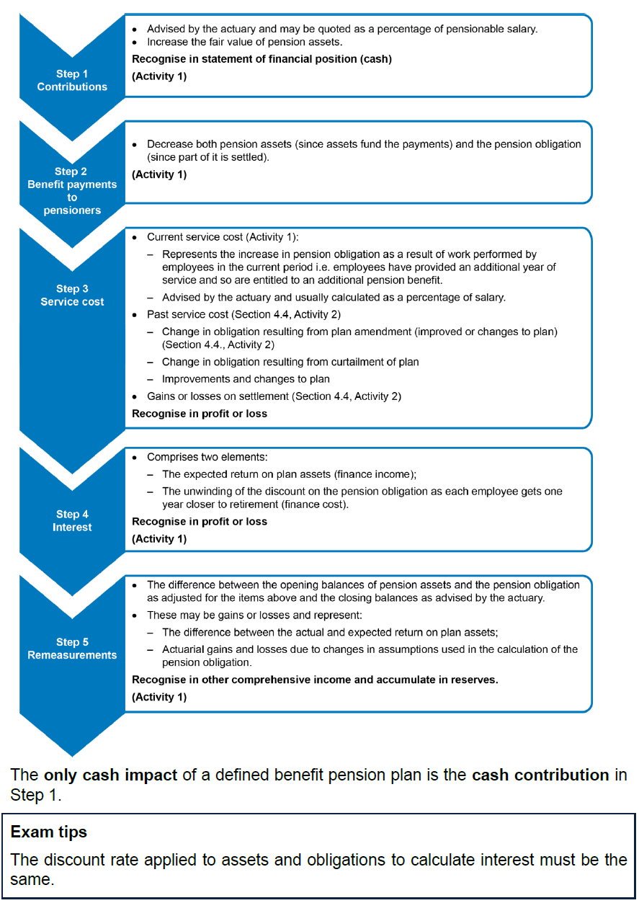

 | Activity 1
 |  | 2023 | 2022
 | Assets (market value) | 430 | 300
 | Obligation (actuarial value) | 355 | 250
 | Net pension asset | 75 | 50

 | DR | 5.50%
 | service cost | 15%
 | pensionable salaries | 153
 | Contributions paid | 20 | 2023-01-01
 | Payments | 5 | 2023-12-31

 | Step 1: Contributions

 | dr - SFP pension asset |  |  | 20
 |  | cr - bank |  |  | 20
 | being contributions paid on 01/01/2023

 | Step 2: Benfits payment to pensioners
 | dr - pension liability |  |  | 5
 |  | cr - pension asset |  |  | 5
 | being benefit payments to pensions throughout the year

 | Step 3: Service cost
 | current service cost |  | 15%
 |  |  | 153
 |  |  | 23

 | dr - staff costs |  |  | 23
 |  | cr - pension obligatoin |  |  | 23
 | being current service cost

 | Step 4: Interest
 | Interest is calculated on the balance brought forward, adjusted for contributions, benefit payments, past service costs and settlements (but not current service costs).

 |  | Assets (market value) | Obligation (actuarial value)
 | Opening balance | 300 | 250
 | Contributions at the start of the year | 20
 | Benefit payments evenly throughout the years | -3 | -3 | <<<can't quite square this
 | Adjusted balance | 318 | 248
 | Final icome on asset/costs on obligation (5.5%) | 17 | 14

 | net finance income |  | 4

 | dr - pension asset |  |  | 17
 |  | cr - SPL finance income |  |  | 4
 |  | cr - Pensionl liability |  |  | 14
 | being net finance income on pension balance

 | Remeasurement
 |  | FV | PV of pension obligation
 | Opening balance | 300 | 250
 | Contributions | 20
 | Benefit payments | -5 | -5
 | Current service cost |  | 23
 | Interest | 17 | 14
 | adj opening balance | 332 | 282
 | Closing balance | 430 | 355
 | Remeasurement gain and actuarial loss | 98 | 73

 | An increase to the fair value of pension assets is a remeasurement gain. An increase to the present value of the pension obligation is an actuarial loss.

 | Net gain |  | 24

 | dr - pension asset |  |  | 98
 |  | cr - Pension obligaoitn |  |  | 73
 |  | cr - RE |  |  | 24
 | being remeasurement gain on pension assets and actuarial loss on pension obligation

 | Past service cost and settlements

 | Past service cost

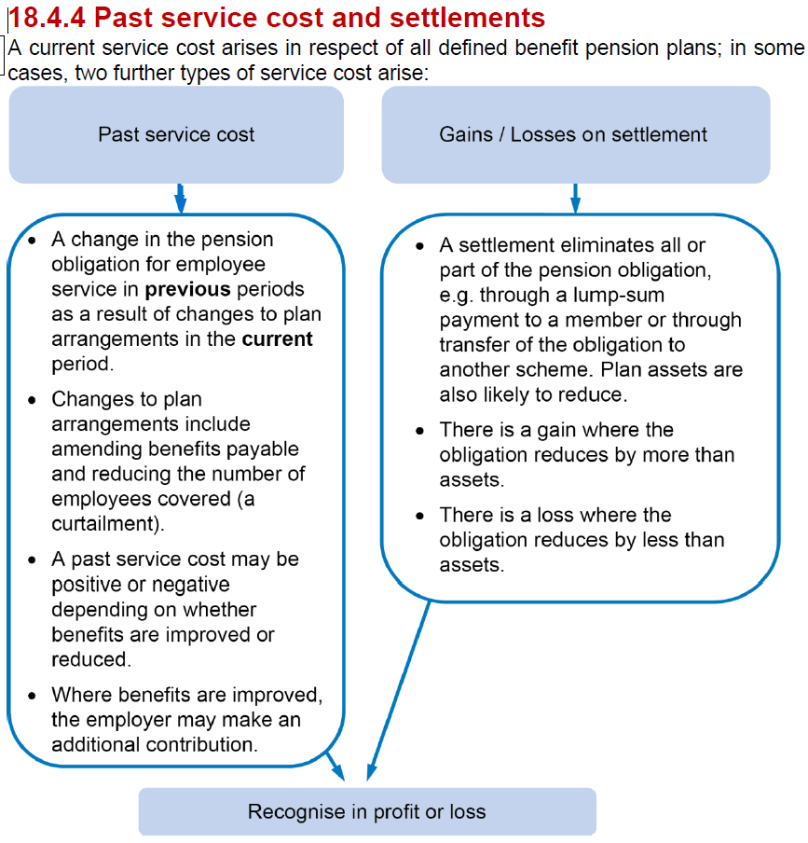

 | Activity 2

 | cost estimated at |  | 12
 | additional conribution |  | 10
 | total obligation reduced |  | 6
 | transferred to the DC plan |  | 5

 | dr - SPL staff costs |  |  | 12
 |  | cr - Pension account (obligation) |  |  | 12
 | being past service cost

 | dr - pension accounts (assets) |  |  | 10
 |  | cr - bank |  |  | 10
 | being additional contribution paid on 31 December 2023

 | Gain on settlement |  | 2

 | dr - Pension obligatioin |  |  | 6
 |  | cr - SPL staff cost |  |  | 2
 |  | cr - Pension asset |  |  | 5
 | being gain on settlement

 | Requirement 2
 |  |  | FV of pension assets | PV of pension obligation
 | Opening balance |  | 300 | 250
 | Contributions |  | 30 | 0
 | benefit payments |  | -5 | -5
 | current service cost |  |  | 23
 | past service cost |  |  | 12
 | settlement |  | -5 | -6
 | interest |  | 17 | 14
 |  |  | 338 | 288
 | Closing balance |  | 430 | 355
 | remesurement gain and actuarial losss |  | 92 | 67

 | net gian |  |  | 24.645

 | dr - pension asset |  |  | 92
 |  | cr - Pension obligation |  |  | 67
 |  | cr - RE |  |  | 25
 | being remeasurement gain on pension assets and actuarial loss on pension obligation

